curve data
1 | 2
2200 | 11.6855
220 | 15.015
22 | 18.578
2.2 | 22.1035
0.22 | 25.4205
0.022 | 28.8295
0.0022 | 32.383
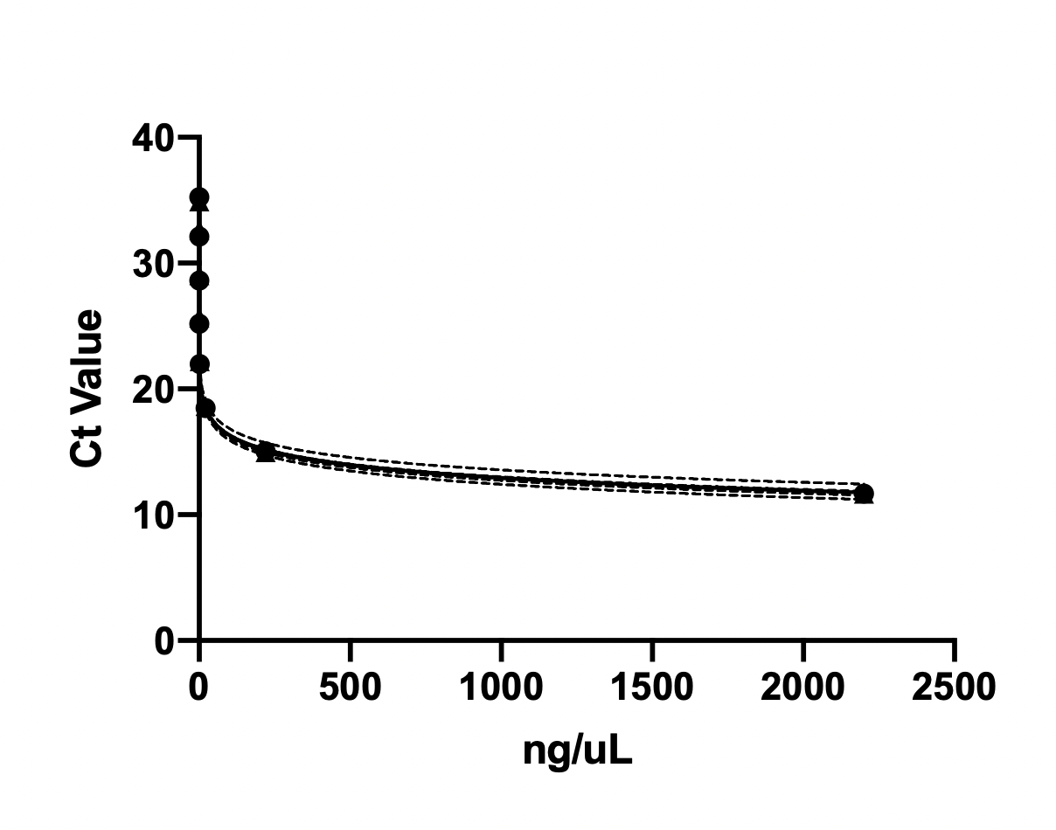
0.00022 | 35.08

Semilog line
Best-fit values
Slope | -3.389
Yintercept | 23.1
95% CI (asymptotic)
Slope | -3.477 to -3.301
Yintercept | 22.90 to 23.31
Goodness of Fit
Degrees of Freedom | 6
R squared | 0.9993
Adjusted R squared | 0.9992
Sum of Squares | 0.3268
Runs test
Points above curve | 5
Points below curve | 3
Number of runs | 3
P value (runs test) | 0.1429
Deviation from Model | Not Significant

Number of points
# of X values | 8
# Y values analyzed | 8

